adidas
 | Brand | Description | Article | Colour | Size | S | M | L | XL | XXL | Total | Retail

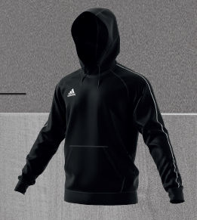 | Adidas | Hoodie | CE 9068 | Black / White | S - XXL | 1584 | 1540 | 3251 | 2182 | 865 | 9422 | £34.95
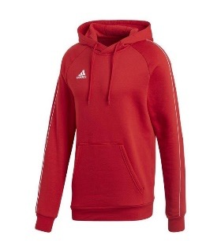 | Adidas | Hoodie | CV3337 | RED | S - XXL | 1147 | 975 | 707 | 923 | 1372 | 5124 | £34.95
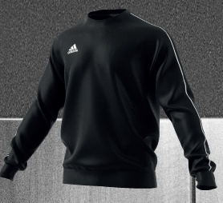 | Adidas | RN Sweat | CE 9064 | Black / White | S - XXL | 973 | 2282 | 2492 | 2589 | 1285 | 9621 | £34.95
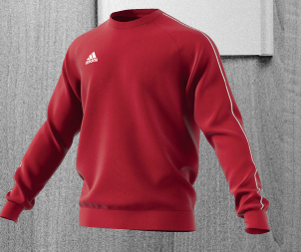 | Adidas | RN Sweat | CV3961 | RED | S - XXL | 50 | 188 | 282 | 188 | 50 | 758 | £34.95
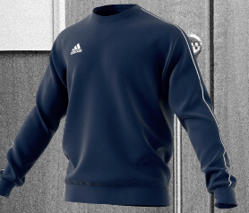 | Adidas | RN Sweat | CV 3959 | Dark Blue / White | S - XXL | 0 | 8 | 266 | 171 | 125 | 570 | £34.95
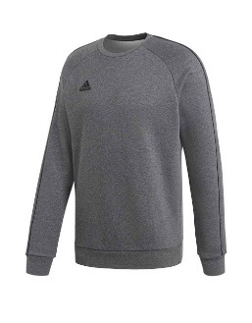 | Adidas | RN Sweat | CV3960 | GREY | S - XXL | 0 | 847 | 985 | 1053 | 1140 | 4025 | £34.95
 | Adidas | Jogg.Pant | CE 9074 | Black / White | S - XXL | 503 | 1778 | 1639 | 1152 | 1078 | 6150 | £34.95
 | Adidas | Jogg.Pant | CV 3752 | Dark Grey Heather / Black | S - XXL | 996 | 25 | 2876 | 1978 | 991 | 6866 | £34.95
 | Adidas | Jogg.Pant | CV 3753 | Dark Blue / White | S-XXL | 924 | 1904 | 2965 | 1977 | 989 | 8759 | £34.95
 |  |  |  |  |  |  |  |  |  |  | 51295

 |  |  | Junior CF 4335

